Charts
MCQ Estimated Accumulated Eden Project Cornwall GVA & MCQ Rehab Debt
 | Total Mt Coot-tha Tourism Facility Loss AU$ MILLIONS | Accumulated Eden Cornwall GVA with compounding interest | Accumulated Eden Cornwall GVA (Gross Value Added) | Annual Eden Cornwall GVA (Recurring) | MCQ Estimated Gravel Sales/Usage Profit | Net MCQ Final Rehab Debt (once only increasing cost)
 |  | 89 | 78 | 78 | 1.03
 |  | 171 | 159 | 81 | 1.46 | -6.87
 |  | 256 | 242 | 83 | 1.86 | -7.81
 |  | 344 | 328 | 86 | 1.09 | -6.85
 |  | 436 | 417 | 89 | 1.49 | -6.29
 |  | 532 | 508 | 92 | 1.67 | -7.70
 |  | 631 | 603 | 95 | 1.37 | -8.07
 |  | 734 | 701 | 98 | 2.23 | -11.02
 |  | 842 | 803 | 101 | 1.80 | -11.88
 |  | 953 | 907 | 105 | 2.05 | -7.44
 |  | 1,069 | 1,015 | 108 | 1.96 | -9.12
 |  | 1,189 | 1,127 | 112 | 2.20 | -5.63
 |  | 1,313 | 1,242 | 115 | 4.04 | -7.57
 |  | 1,443 | 1,361 | 119 | 3.48 | -7.85
 |  | 1,577 | 1,484 | 123 | 4.09 | -7.64
 |  | 1,716 | 1,611 | 127 | 3.13 | -3.78
 |  | 1,861 | 1,743 | 131 | 5.14 | -6.00
 |  | 2,010 | 1,878 | 136 | 4.69 | -7.33
 |  | 2,226 | 2,064 | 200 | 4.04 | -7.56
 | 2457.6236278 | 2,450 | 2,271 | 207 | 1.87 | -8.06
 |  | 2,682 | 2,484 | 213 |  | -9.63
 |  | 2,922 | 2,705 | 221 |  | -9.88
 |  | 3,172 | 2,932 | 228 |  | -10.13
 |  | 3,431 | 3,168 | 235 |  | -10.40
 | 3710.8673625 | 3,700 | 3,411 | 243 |  | -10.67
 |  | 3,979 | 3,662 | 251 |  | -10.95
 | 4279.0751591 | 4,268 | 3,922 | 260 |  | -11.23
 |  | 4,567 | 4,190 | 268 |  | -11.52
 |  | 4,878 | 4,467 | 277 |  | -11.82
 | 5211.8853302 | 5,200 | 4,753 | 286 |  | -12.13
 |  | 5,533 | 5,049 | 296 |  | -12.44
 | 5891.6617139 | 5,879 | 5,354 | 305 |  | -12.77
 |  | 6,237 | 5,670 | 316 |  | -13.10
 |  | 6,608 | 5,996 | 326 |  | -13.44
 | 7006.0618946 | 6,992 | 6,333 | 337 |  | -13.79
MCQ Projected Annual Eden Cornwall GVA & MCQ Estimated Rehab Debt
 | Annual Eden Cornwall GVA (Recurring Every Year forever) | Annual MCQ Rehab Debt | MCQ Estimated Gravel Sales Amount | MCQ Estimated Gravel Sales/Usage Profit | Net MCQ Final Rehab Debt (once only increasing cost)
2001 | 78 |  | 5.15 |  | -225.81
2002 | 81 |  | 7.31 |  | -232.68
2003 | 83 | -6.87 | 9.30 | -5.0121448943 | -240.49
2004 | 86 | -7.81 | 5.45 | -6.7176293191 | -247.34
2005 | 89 | -6.85 | 7.45 | -5.3582230641 | -253.63
2006 | 92 | -6.29 | 8.36 | -4.6150395644 | -261.33
2007 | 95 | -7.70 | 6.87 | -6.3291671592 | -269.40
2008 | 98 | -8.07 | 11.15 | -5.8448120122 | -280.43
2009 | 101 | -11.02 | 9.00 | -9.2238375823 | -292.31
2010 | 105 | -11.88 | 10.25 | -9.8341683119 | -299.76
2011 | 108 | -7.44 | 9.82 | -5.4799436506 | -308.88
2012 | 112 | -9.12 | 10.99 | -6.924135525 | -314.51
2013 | 115 | -5.63 | 20.18 | -1.5921388212 | -322.07
2014 | 119 | -7.57 | 17.38 | -4.0914193029 | -329.93
2015 | 123 | -7.85 | 20.44 | -3.7623232426 | -337.56
2016 | 127 | -7.64 | 15.67 | -4.5014430949 | -341.35
2017 | 131 | -3.78 | 25.71 | 1.3564184116 | -347.34
2018 | 136 | -6.00 | 23.43 | -1.31112688 | -354.67
2019 | 200 | -7.33 | 20.22 | -3.2878181254 | -362.23
2020 | 207 | -7.56 | 9.33 | -5.6924155399 | -370.29
2021 | 213 | -8.06 |  |  | -379.92
2022 | 221 | -9.63 |  |  | -389.79
2023 | 228 | -9.88 |  |  | -399.93
2024 | 235 | -10.13 |  |  | -410.33
2025 | 243 | -10.40 |  |  | -421.00
2026 | 251 | -10.67 |  |  | -431.94
2027 | 260 | -10.95 |  |  | -443.17
2028 | 268 | -11.23 |  |  | -454.69
2029 | 277 | -11.52 |  |  | -466.52
2030 | 286 | -11.82 |  |  | -478.65
2031 | 296 | -12.13 |  |  | -491.09
2032 | 305 | -12.44 |  |  | -503.86

Accumulated Cornish Eden Project Gross Value Added (GVA) compared with the MCQ Rehab Debt. | Annual Cornwall Eden Project Gross Value Added against the MCQ Rehab Debt.
GVA Data was obtained from published case study material (2 Billion Pounds since 2001). | GVA Data was obtained from published UK case study material.
MCLR belief: Continued Blasting and Mining in the Mt Coot-tha DOGIT tourist parkland = Economic Disaster. | MCLR belief: Continued mining of Mt Coot-tha DOGIT tourist parkland = Economic Debt Disaster.
Eden Project Anglesea Projected Income & MCQ Estimated Rehab Debt
 | Accumulating Anglesea GVA with Compounding Interest | Accumulating Anglesea GVA (Gross Value Added) | Annual Anglesea GVA (Recurring Forever) | MCQ Gravel Sales (2001-2015 Different year scale) | MCQ Accumulated Gravel Sales (2001-2015 Different Year scale) | MCQ Net Annual Rehab Debt Increment (10% hole increase ) | MCQ Final Rehab Debt (once only increasing cost + 10% hole size increase)
2023 | $30.90 | $30.00 | $30.90 | 5.15 | 5.15 | -11.27 | -429.55
2024 | $63.36 | $61.51 | $32.46 | 7.31 | 12.46 | -11.57 | -441.12
2025 | $96.89 | $94.06 | $33.53 | 9.30 | 21.76 | -11.88 | -453.00
2026 | $131.53 | $127.69 | $34.64 | 5.45 | 27.21 | -12.20 | -465.20
2027 | $167.31 | $162.44 | $35.79 | 7.45 | 34.66 | -12.53 | -477.73
2028 | $204.28 | $198.33 | $36.97 | 8.36 | 43.02 | -12.86 | -490.59
2029 | $242.48 | $235.42 | $38.20 | 6.87 | 49.89 | -13.21 | -503.80
2030 | $281.94 | $273.73 | $39.46 | 11.15 | 61.04 | -13.57 | -517.37
2031 | $322.71 | $313.31 | $40.77 | 9.00 | 70.04 | -13.93 | -531.30
2032 | $364.83 | $354.20 | $42.12 | 10.25 | 80.29 | -14.30 | -545.60
2033 | $408.34 | $396.44 | $43.51 | 9.82 | 90.12 | -14.69 | -560.29
2034 | $453.29 | $440.09 | $44.95 | 10.99 | 101.10 | -15.08 | -575.38
2035 | $499.73 | $485.18 | $46.44 | 20.18 | 121.28 | -15.49 | -590.87
2036 | $547.71 | $531.76 | $47.98 | 17.38 | 138.66 | -15.91 | -606.77
2037 | $597.28 | $579.88 | $49.57 | 20.44 | 159.10 | -16.33 | -623.11
2038 | $648.49 | $629.60 | $51.21 |  |  | -16.77 | -639.88
Eden Anglesea Victoria Project - Ongoing Employment compared with MCQ
 | Eden Anglesea Accumulated Projected Job Years - preidicted to overtake Cornwall | Eden Anglesea Projected Annual Jobs (Each Year) | MCQ Accumulated Estimated Job Years (2013-2020) | MCQ Estimated Annual Jobs (2013-2020)
2023 | 700 | 700 | 20 | 20
2024 | 1400 | 700 | 40 | 20
2025 | 2100 | 700 | 60 | 20
2026 | 2400 | 300 | 80 | 20
2027 | 2700 | 300 | 100 | 20
2028 | 3000 | 300 | 120 | 20
2029 | 3300 | 300 | 140 | 20
2030 | 3600 | 300 | 160 | 20
2031 | 3900 | 300
2032 | 4200 | 300
2033 | 4500 | 300
2034 | 4800 | 300
2035 | 5100 | 300
2036 | 5400 | 300
2037 | 5700 | 300
2038 | 6000 | 300

Eden Project Anglesea is underway in Victoria Australia and projected income estimates are published. | Eden Project Anglesea is underway and projected employment estimates are published.
By comparison current MCQ income is minimal and the BCC continues increasing the rehabilitation debt. | They state 700 construction jobs and 300 permanent jobs when completed.
MCLR Belief: There is no economic case for continued destruction of prime Mt Coot-tha toursim precinct. | MCLR Belief: Brisbane and QLD needs new rehabilitation & ongoing parkland jobs now (not in 2032).
MCQ Estimated Income showing Annual 'Profit' & Rehab Debt Increase
 | Annual MCQ Estimated Gravel Sales/Usage 'Profit' | Annual Net 'Profit' After Rehab Debt | Annual Rehab Dept - Zero Hole Increase | Annual Debt 5% Annual Hole Increase | Annual Debt 10% Annual Hole Increase
2000 | 1.03
2001 | 1.46
2002 | 1.86 | -5.0121448943 | -6.87
2003 | 1.09 | -6.7176293191 | -7.81
2004 | 1.49 | -5.3582230641 | -6.85
2005 | 1.67 | -4.6150395644 | -6.29
2006 | 1.37 | -6.3291671592 | -7.70
2007 | 2.23 | -5.8448120122 | -8.07
2008 | 1.80 | -9.2238375823 | -11.02
2009 | 2.05 | -9.8341683119 | -11.88
2010 | 1.96 | -5.4799436506 | -7.44
2011 | 2.20 | -6.924135525 | -9.12
2012 | 4.04 | -1.5921388212 | -5.63
2013 | 3.48 | -4.0914193029 | -7.57
2014 | 4.09 | -3.7623232426 | -7.85
2015 | 3.13 | -4.5014430949 | -7.64
2016 | 5.14 | 1.3564184116 | -3.78
2017 | 4.69 | -1.31112688 | -6.00
2018 | 4.04 | -3.2878181254 | -7.33
2019 | 1.87 | -5.6924155399 | -7.56
2020 |  |  | -8.06
2021 |  |  | -9.63 | -10.30 | -10.97
2022 |  |  | -9.88 | -10.57 | -11.27
2023 |  |  | -10.13 | -10.85 | -11.57
2024 |  |  | -10.40 | -11.14 | -11.88
2025 |  |  | -10.67 | -11.43 | -12.20
2026 |  |  | -10.95 | -11.74 | -12.53
2027 |  |  | -11.23 | -12.05 | -12.86
2028 |  |  | -11.52 | -12.37 | -13.21
2029 |  |  | -11.82 | -12.69 | -13.57
2030 |  |  | -12.13 | -13.03 | -13.93
2031 |  |  | -12.44 | -13.37 | -14.30
2032 |  |  | -12.77 | -13.73 | -14.69
MCQ Estimated Mined Gravel Tonnes 2000 - 2019
 | MCLR Expected MCQ Closure Date | MCQ Tonnes Mined | BCC 2002 Council Motion - Expected Max Annual Tonnage | CY Urban Truck Movements
 |  | 447,119 | 400,000 | 89,424
 |  | 559,825 | 400,000 | 111,965
 |  | 671,791 | 400,000 | 134,358
 |  | 373,217 | 400,000 | 74,643
 |  | 485,182 | 400,000 | 97,036
 |  | 522,504 | 400,000 | 104,501
 |  | 410,539 | 400,000 | 82,108
 |  | 634,469 | 400,000 | 126,894
 |  | 485,182 | 400,000 | 97,036
 |  | 522,504 | 400,000 | 104,501
 |  | 485,182 | 400,000 | 97,036
 |  | 522,504 | 400,000 | 104,501
 |  | 933,042 | 400,000 | 186,608
 |  | 783,756 | 400,000 | 156,751
 |  | 895,721 | 400,000 | 179,144
 | 1000000 | 671,791 | 400,000 | 134,358
 |  | 1,082,329 | 400,000 | 216,466
 |  | 970,364 | 400,000 | 194,073
 |  | 821,077 | 400,000 | 164,215
 |  | 373,217 | 400,000 | 74,643
 |  |  | 400,000

The Rehab Costs greatly exceed the gravel sales or internal use 'Profit'. | This chart shows the estimated approximate Tonnes of Gravel mined at MCQ since 2000.
Zero, 5% and 10% Annual Hole Volume Increase Examples. | Dec-2002 Approved Council Motion limiting the output to 400,000 tonnes is totally ignored.
MCLR belief: Continued mining of Mt Coot-tha DOGIT tourist parkland = Economic Disaster. | Truck movements are an estimation of the trucks using & damaging Brisbane Streets for decades.
 | Total Estimated MCQ UrbanTruck Movements = 8 Million Truck Movements (to and from MCQ).

MCQ Annual Blast Activity and Counts 2001 - 2019
 | "Annual Blast Counts" | Accmulated Blast Counts
2000 | 12 | 442
2001 | 15 | 454
2002 | 18 | 468
2003 | 10 | 485
2004 | 13 | 499
2005 | 14 | 511
2006 | 11 | 522
2007 | 17 | 539
2008 | 13 | 552
2009 | 14 | 566
2010 | 13 | 579
2011 | 14 | 593
2012 | 25 | 618
2013 | 21 | 639
2014 | 24 | 663
2015 | 18 | 681
2016 | 29 | 710
2017 | 26 | 736
2018 | 22 | 758
2019 | 10 | 768
MCQ Total Max Extracted Gravel Tonnage Since December 2002 Council Motion
 | Local Residents Expected MCQ Closure Date | Estimated Actual Accumulated Tonnage | 2002 Defined 400,000 tpa Accumulated Tonnage | 2002 Defined Annual Maximum = 400,000 tonnes
 |  | 373,217 | 400,000 | 400,000
 |  | 858,399 | 800,000 | 400,000
 |  | 1,380,903 | 1,200,000 | 400,000
 |  | 1,791,441 | 1,600,000 | 400,000
 |  | 2,425,910 | 2,000,000 | 400,000
 |  | 2,911,092 | 2,400,000 | 400,000
 |  | 3,433,596 | 2,800,000 | 400,000
 |  | 3,918,778 | 3,200,000 | 400,000
 |  | 4,441,282 | 3,600,000 | 400,000
 |  | 5,374,324 | 4,000,000 | 400,000
 |  | 6,158,080 | 4,400,000 | 400,000
 |  | 7,053,800 | 4,800,000 | 400,000
 | 12000000 | 7,725,591 | 5,200,000 | 400,000
 |  | 8,807,920 | 5,600,000 | 400,000
 |  | 9,778,284 | 6,000,000 | 400,000
 |  | 10,599,362 | 6,400,000 | 400,000
 |  | 10,972,579 | 6,800,000 | 400,000
 |  |  | 7,200,000 | 400,000
 |  |  | 7,600,000 | 400,000
 |  |  | 8,000,000 | 400,000
 |  |  | 8,400,000 | 400,000
 |  |  | 8,800,000 | 400,000
 |  |  | 9,200,000 | 400,000
 |  |  | 9,600,000 | 400,000
 |  |  | 10,000,000 | 400,000
 |  |  | 10,400,000 | 400,000
 |  |  | 10,800,000 | 400,000
 |  |  | 11,200,000 | 400,000
 |  |  | 11,600,000 | 400,000
 |  |  | 12,000,000 | 400,000

This chart shows the Exact number of blasts conducted at MCQ since 2000. | This chart shows the Exact Extracted Tonnage as permitted by the Dec-2002 BCC Council Motion.
The tonnage has decreased markedly since 2016 levels as the gravel mining costs increase. | The actual annual amounts extracted reached 3 times the maximum allowable and greatly exceeded the allowed total.
Highly visible area blasting causes a pernmanent scar on the famous "Brisbane Backdrop". | What Authority does the BCC Aggregates Department have, to exceed the lmits described in the Dec-2002 BCC Council Motion?

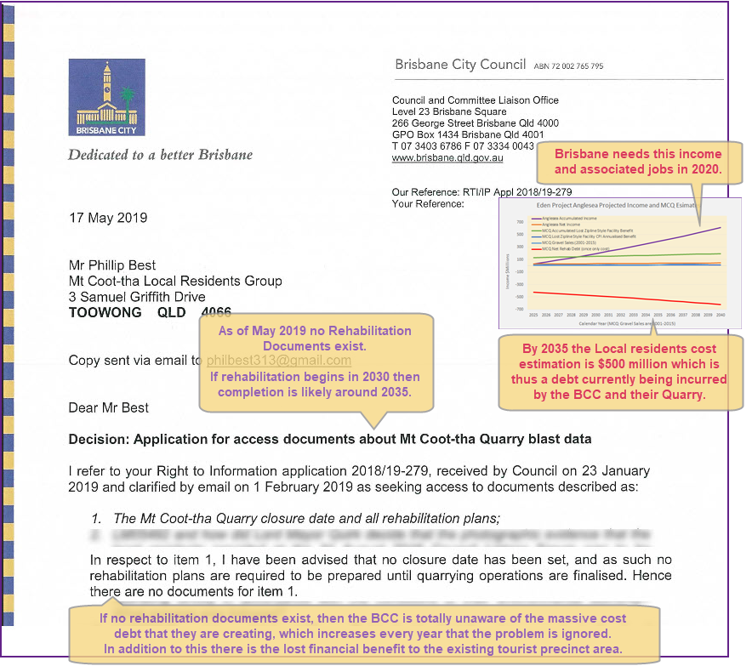
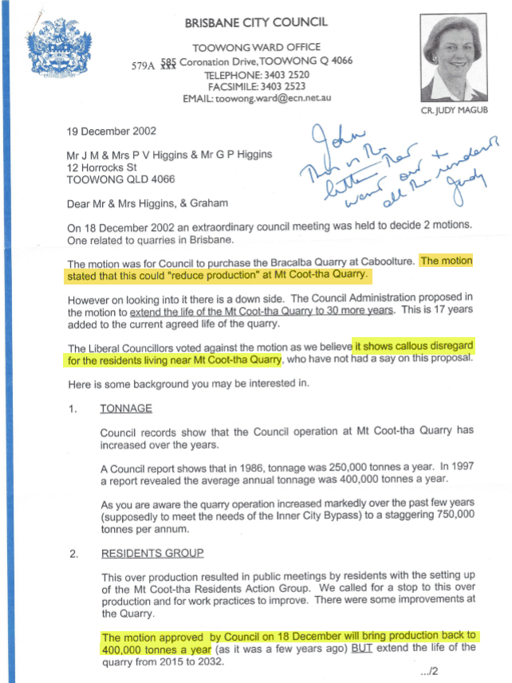

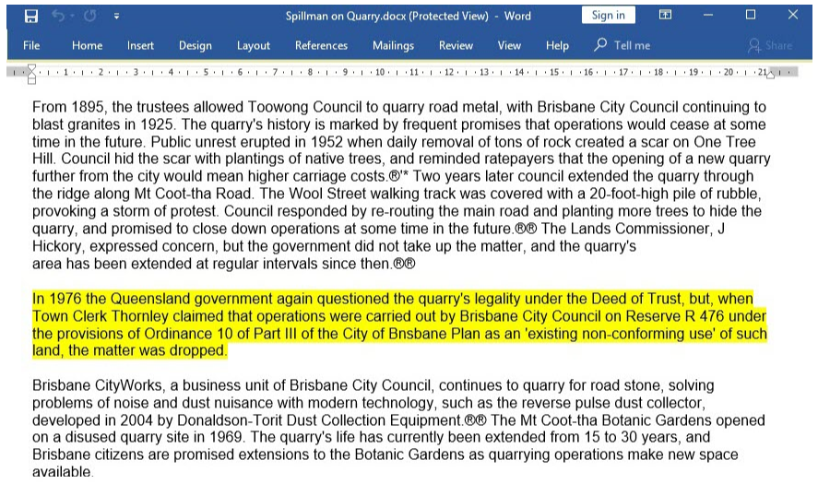

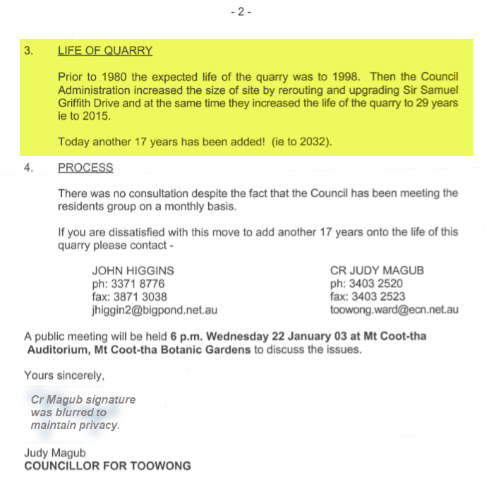

Summary
Mt Coot-tha Quarry (MCQ) Estimate Conclusions: |  |  |  |  |  |  | (GVA = Gross Value Added)
1. 2001-2032 Eden Project Cornwall: Total GVA Income estimate = Double the Entire BCC 2019-2020 budget.
2. 2001-2019 Eden Project Cornwall: 19 year GVA = Double all Mt Coot-tha Quarry estimated gravel commercial value since 1900 (that which was ever mined).
3. Eden Project Anglesea: 1300 new jobs (500 permanent), $350 Million GVA over 10 years. Predicted to become as popular as Eden Cornwall.
4. $Billions Better Off: Brisbane should have created an Eden Project and never blasted gravel from Brisbane's highly popular tourism precint.
5. Delayed Rehabilitation Secret Debt: The Final Rehab Costs increase greatly every year & the more that Brisbane Ratepayers will Pay.
6. Broken Promises: Repeated strong valid arguments for MCQ close and rehabilitation, were ignored by Lord Mayors Newman & Quirk.
7. 8 Million Truck Movements: This is the estimate required to move all that gravel through city streets, out to the Swanbank Asphalt factorys.
MCQ Estimated Accumulated Eden Project Cornwall GVA & MCQ Rehab Debt
 | Total Mt Coot-tha Tourism Facility Loss AU$ MILLIONS | Accumulated Eden Cornwall GVA with compounding interest | Accumulated Eden Cornwall GVA (Gross Value Added) | Annual Eden Cornwall GVA (Recurring) | MCQ Estimated Gravel Sales/Usage Profit | Net MCQ Final Rehab Debt (once only cost)
 |  | 89 | 78 | 78 | 1.03
 |  | 171 | 159 | 81 | 1.46 | -6.87
 |  | 256 | 242 | 83 | 1.86 | -7.81
 |  | 344 | 328 | 86 | 1.09 | -6.85
 |  | 436 | 417 | 89 | 1.49 | -6.29
 |  | 532 | 508 | 92 | 1.67 | -7.70
 |  | 631 | 603 | 95 | 1.37 | -8.07
 |  | 734 | 701 | 98 | 2.23 | -11.02
 |  | 842 | 803 | 101 | 1.80 | -11.88
 |  | 953 | 907 | 105 | 2.05 | -7.44
 |  | 1,069 | 1,015 | 108 | 1.96 | -9.12
 |  | 1,189 | 1,127 | 112 | 2.20 | -5.63
 |  | 1,313 | 1,242 | 115 | 4.04 | -7.57
 |  | 1,443 | 1,361 | 119 | 3.48 | -7.85
 |  | 1,577 | 1,484 | 123 | 4.09 | -7.64
 |  | 1,716 | 1,611 | 127 | 3.13 | -3.78
 |  | 1,861 | 1,743 | 131 | 5.14 | -6.00
 |  | 2,010 | 1,878 | 136 | 4.69 | -7.33
 |  | 2,226 | 2,064 | 200 | 4.04 | -7.56
 | 2457.6236278 | 2,450 | 2,271 | 207 | 1.87 | -8.06
 |  | 2,682 | 2,484 | 213 |  | -9.63
 |  | 2,922 | 2,705 | 221 |  | -9.88
 |  | 3,172 | 2,932 | 228 |  | -10.13
 |  | 3,431 | 3,168 | 235 |  | -10.40
 | 3710.8673625 | 3,700 | 3,411 | 243 |  | -10.67
 |  | 3,979 | 3,662 | 251 |  | -10.95
 | 4279.0751591 | 4,268 | 3,922 | 260 |  | -11.23
 |  | 4,567 | 4,190 | 268 |  | -11.52
 |  | 4,878 | 4,467 | 277 |  | -11.82
 | 5211.8853302 | 5,200 | 4,753 | 286 |  | -12.13
 |  | 5,533 | 5,049 | 296 |  | -12.44
 | 5891.6617139 | 5,879 | 5,354 | 305 |  | -12.77
 |  | 6,237 | 5,670 | 316 |  | -13.10
 |  | 6,608 | 5,996 | 326 |  | -13.44
 | 7006.0618946 | 6,992 | 6,333 | 337 |  | -13.79
Estimate MCQ Rehab Debt from Roma St: |  |  | Cost $Mil | Upsize
1. Get Final 16ha Roma St Parklands Costs |  |  | $72
2. CPI Annualise Roma St Cost to 2020 |  |  | $117
3. + Extra Surface Area & 30% Contingency |  |  |  | 316%
4. Estimated MCQ Rehab Debt by 2020 |  |  | -$370 | 9% yearly

Total MCLR-Estimated Exports Since 2001 (based on blasting data)
Weight of all rock exports |  |  | 12,651,313 | Tonnes
Crushed Volume rock exports |  |  | 6,474,562 | Cubic Metres
Estimated Mine Costs since 2001 |  |  | $253 | Million
Estimated Mine-gate Value since 2001 |  |  | $316 | Million
Estimated Sales Profit since 2001 |  |  | $63 | Million

Eden Total Cornwall GVA and Mt Coot-tha Quarry Total Debt |  |  |  |  | Eden Rehabilitation Project Anglesea - Estimations
Year | Eden $Mil | Debt $Mil | Difference $Mil |  | Year Rehabilitation Planning Started |  |  | 2015 | Finish | 2023
2020 | $2,450 | -$370 | $2,079 |  | Construction Period |  |  | 18 to 24 months
2025 | $3,700 | -$432 | $3,268 |  | GVA (Gross Value Added) |  |  | $350 Million over 10 years
2030 | $5,200 | -$479 | $4,721 |  | Predicted Future Return |  |  | As good as Eden Cornwall
2032* | $5,879 | -$504 | $5,375 |  | New Jobs Created |  |  | 1300 Jobs
2035 | $6,992 | -$544 | $6,448 |  | Long term New Jobs |  |  | 500 Full Time Jobs
 |  |  |  |  | Estimated Surface Area Power Station |  |  | 80 | ha
Brisbane City Budget |  | $3,150 Mil |  |  | Estimated Mine Surface Area (Lake=31ha) |  |  | 43 | ha
Queensland Budget |  | $12,941 Mil
Queensland Debt |  | $72,000 Mil | * 2032 is the current BCC Proposed Mt Coot-tha Quarry Closure Date.

Eden Anglesea & MCQ Jobs
 | Eden Anglesea Accumulated Projected Jobs (2025-2040) | Eden Anglesea Projected Annual Jobs (2025-2040) | MCQ Accumulated Estimated Jobs (2013-2020) | MCQ Estimated Annual Jobs (2013-2020)
2023 | 700 | 700 | 20 | 20
2024 | 1400 | 700 | 40 | 20
2025 | 2100 | 700 | 60 | 20
2026 | 2400 | 300 | 80 | 20
2027 | 2700 | 300 | 100 | 20
2028 | 3000 | 300 | 120 | 20
2029 | 3300 | 300 | 140 | 20
2030 | 3600 | 300 | 160 | 20
2031 | 3900 | 300
2032 | 4200 | 300
2033 | 4500 | 300
2034 | 4800 | 300
2035 | 5100 | 300
2036 | 5400 | 300
2037 | 5700 | 300
2038 | 6000 | 300
Qld Globe - Absolute Total Mt Coot-tha Quarry (MCQ) Hole Size/Volume/Finance Estimates
1. Total Hole Horizontal Map Area ha |  |  | 30 |  | Verticle Surface Area | 9
2. Total MCQ Surface Area ha |  |  | 39 |  | Eden Cornwall Area | 12
2. Total Hole Volume |  |  | 13,433,985 | = Approx 13 million cubic metres
3. Total Removed Hole Mass |  |  | 42,048,372 | Tonnes
4. Total Crushed Volume |  |  | 21,519,095 | = Approx 20 million cubic metres
5. Total 10T Truck Movements |  |  | 8,409,674 | to & from | 1,030,079 | 2001-2010
6. Total Extraction 2001-2010 (RTI) |  |  | 5,150,394 | Tonnes | 2,635,817 | cubic metres

The MCQ Local Residents Tragedy
1. The 20 year MCQ story is one where the Mt Coot-tha Local Residents (MCLR) have been desperately battling the damaging MCQ Blasting.
2. The MCLR secured dust reduction measures, blast warning sirens and notification emails - where previously there were none at all.
- 2011: Enlisted Qld Treasurer Andrew Fraser to force the MCQ to begin monitoring near the closest homes, instead of only much further away.
- 2016: Measured the MCQ blasting noise generated inside the local homes. This was 500% more than the MCQ allowed maximum.
- 2017: Analysed the effect of the MCQ distant monitoring. The MCQ had previously been misreporting their blasts by 300%.
- 2018: Measured the blast vibrations inside private homes and found this to be 260% higher than what the MCQ was reporting.
3. The non-compliance was reported to the BCC Lord Mayor Quirk, who simply "disengaged" the local residents.
4. The MCLR are still working to stop the non-compliant activities which violently shake and damage the private residents homes & health.
5. All the MCLR ever wanted, was to be able to get on with our lives like other ordinary people. They cannot do this when homes get blasted.
6. The real tragedy is the total lack of any separation zones to the MCLR, plus the massive increase in repair costs from neglected rehabilitation.
7. The Brisbane City Council has repeatedly & unaccountably caused several decades of extreme public parkland and tourism income damage.

MCQ Blasting Statistics |  | Not Counted | Counted | Since 2001
Total Number of blasts |  | Thousands | 779 | 340
DES Maximum Blast Strength = 5mm/sec (90%) and 10mm/sec (10%)
MCQ EA Maximum Blast Strength = 10mm/sec (90%) and unlimited (10%)

Private Home Blast Vibrations extrapolated from 1H2018 private home blast vibration measurements mm/sec particle velocity.
 | 10 - 15 | 15 - 20 | 20 - 25 | 25 - 30 | 30 - 35 | 35 - 40 | > 40 | >10 | >15 | > 20
Count | 105 | 111 | 48 | 29 | 7 | 1 | 2 | 303 | 198 | 87
Percent | 34% | 15% | 9% | 2% | 0.3% | 0.3% | 0.6% | 61% | 27% | 12%

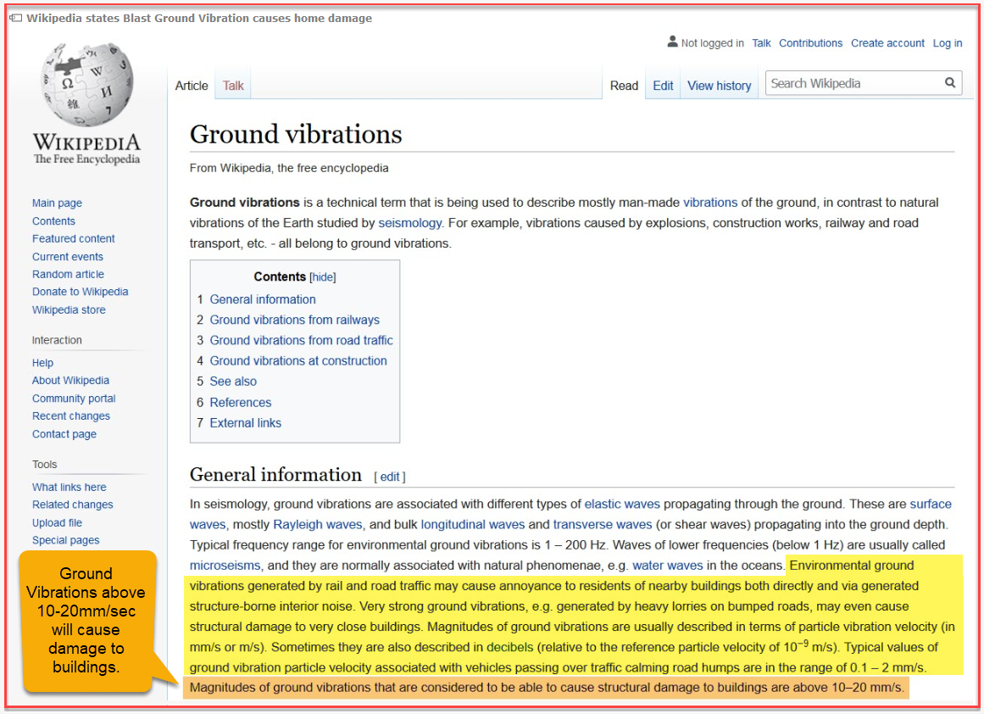

HoleSize
Estimation of quarry hole volume and vertical surface area using QldGlobe September 2016 5-metre Contour lines. |  |  |  |  |  |  |  |  |  |  |  |  |  |  | Notes:
 |  |  |  |  |  |  |  |  |  |  |  |  |  |  | Qld Globe provides measured surface area and line length.
Contour Line Creation date |  |  | 2016 | September |  |  |  |  |  |  |  |  |  |  | So by tracing out on top of each contour we can get:
Contour Line height |  |  | 5.00 | metres |  |  |  |  |  |  |  |  |  |  | 1. The Surface Area of each contour.
Lake Depth Estimate |  |  | 20.00 | metres | goes down to sea level |  |  |  |  |  |  |  |  |  | 2. The circumference length of each contour.
Resource Processing Area Contour 1 |  |  | 1.00 | Metre deep
Area convert HA to SQM |  |  | 10,000.00 | sqm |  |  |  |  |  |  |  |  |  |  | Surface Area:
Link: | https://qldglobe.information.qld.gov.au/qldglobe/public/mt-coot-tha-quarry-0 |  |  |  |  |  |  |  |  |  |  |  |  |  |  | This provides the slice volume (as long as there is a contour above).
 |  |  |  |  |  |  |  |  |  |  |  |  |  |  |  | There is also a small taper volume (the difference between contours).
Use Qld Globe Contour Line Area and perimeter to calculate volume and vertical surface area. |  |  |  |  |  |  |  |  |  |  |  |  |  |  |  | Adding all the slice volumes provides the total volume.
This is done by considering each 5m high slice of rock above every coutour line |  |  |  |  |  |  |  |  |  |  |  |  |  |  |  | The difficulty comes when there is no contour above, so we had to estimate this.
Contour | Area SQM | Volume M3 | Difference | edge taper | Circumference
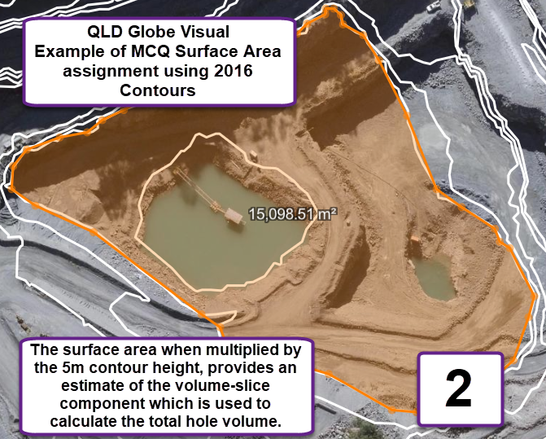
 | SQM | Cubic Metres |  | 2.5 | Metres | Area SQM | Area HA |  |  |  |  |  |  |  | Circumference:
22 |  |  |  |  | 452 | 2260 |  |  |  |  |  |  |  |  |  | Lawrie Smith was insistent that we must use Surface area instead of Map area.
21 |  |  |  |  | 498 | 2490 |  |  |  |  |  |  |  |  |  | The vertical component of each contour = 5m x contour circumference.
20 | 136,594 | 682,970 |  |  | 555 | 2775 |  |  |  |  |  |  |  |  |  | The vertical component of the hole = sum of all contour vertical component.
19 | 133,602 | 668,010 |  |  | 561 | 2805 |  |  |  |  |  |  |  |  |  | The MCQ hole is mainly stepped to allow vehicle traffic to drive around.
18 | 127,141 | 635,705 |  |  | 587 | 2935 |  |  |  |  |  |  |  |  |  | Hence the entire hole surface area = Map Surface Area + Hole Vertical area.
17 | 121,110 | 605,550 |  |  | 586 | 2930
16 | 131,385 | 656,925 |  |  | 599 | 2995 |  |  |  |  |  |  |  |  | Make-Up to End CY 2019.
15 | 154,990 | 774,950 | 1095 | 2737.5 | 1462 | 7310 |  |  |  |  |  |  |  |  |  | As we know the number of blasts since 1st September 2016.
14 | 153,895 | 769,475 | 23554 | 58885 | 1351 | 6755 |  |  |  |  |  |  |  |  |  | We added the average estimated volumenfor all these blasts.
13 | 130,341 | 651,705 | 4008 | 10020 | 1277 | 6385
12 | 126,333 | 631,665 | 21192 | 52980 | 1164 | 5820 |  |  |  |  |  |  |  |  | Recommendation:
11 | 105,141 | 525,705 | 13319 | 33297.5 | 1003 | 5015 |  |  |  |  |  |  |  |  |  | This is a reasonable estimate where previously there was none.
10 | 91,822 | 459,110 | 18730 | 46825 | 956 | 4780 |  |  |  |  |  |  |  |  |  | Geospatial consultants can get a more accurate estimate (if needed).
9 | 73,092 | 365,460 | 13488 | 33720 | 907 | 4535
8 | 59,604 | 298,020 | 1587 | 3967.5 | 806 | 4030 |  |  |  |  |  |  |  |  | Rock Density Values
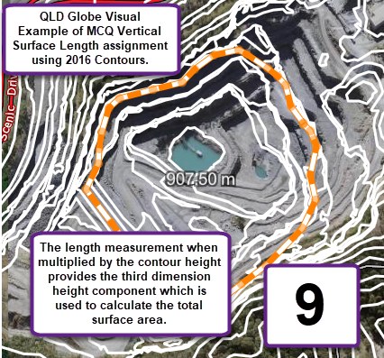
7 | 58,017 | 290,085 | 13279 | 33197.5 | 800 | 4000 |  |  |  |  |  |  |  |  |  | The density of the rock varies as it gets aerated after crushing.
6 | 44,738 | 223,690 | 5032 | 12580 | 780 | 3900 |  |  |  |  |  |  |  |  |  | Hence there are two density values.
5 | 39,706 | 198,530 | 12719 | 31797.5 | 670 | 3350 |  |  |  |  |  |  |  |  |  | NB: These values might be checked and adjusted as required.
4 | 26,987 | 134,935 | 8761 | 21902.5 | 650 | 3250
3 | 18,226 | 91,130 | 3128 | 7820 | 563 | 2815
2 | 15,098 | 75,490 | 6872 | 17180 | 538 | 2690
1 | 8,226 | 41,130 | 0 |  | 187 | 935
Lake | 8,226 | 164,520 |  |  |  | 3740
Subtotal | 1,764,274 | 8,944,760 |  | 366,910 | 16,500 | 88,500

Resource Processing Area Contour 1 .
Contour 2 | 30,230 | 151,150
Contour 1 | 18,611 | 18,611

Total QldGlobe Volume |  | 9,481,431 |  | Total Vertical Surface Area |  |  | 8.9 | HA

Add on volumes from Blasts since 1st September 2016
 | Blasts
2016 | 14
2017 | 26
2018 | 22
2019 | 10
Total | 72
Avg Blast Tonnes |  | 44,849 | Tonnes/Blast
Totals since 1-9-2016 |  | 3,229,094 | Tonnes
Extra Volume |  | 1,652,554 | cubic metres |  |  |  |  |  | Example: How high if stacked in Suncorp Stadium
Legacy Way Spoil Vol |  | 2,300,000 |  |  |  |  |  |  | Stadium | FieldArea | Stack Height |  | Crushed
 |  |  |  |  |  |  |  |  |  | approx sqm | metres | kilometres | Metres | kilometres
Total Mined Hole Vol |  | 13,433,985 | cubic metres | (approx 8 million cubic metres) |  |  |  |  | Suncorp | 10,000 | 1343 | 1.34 | 2152 | 2.2
Total Hole Weight |  | 42,048,372 | Tonnes (unmined) |  |  |  |  |  | Lookout |  | 287
Hole Weight Millions |  | 42.048371835 |  |  |  |  |  |  |  |  | 4.7
Total Crushed Volume |  | 21,519,095 | 21 million cubic metres |  |  |  |  |  | If stacked in Suncorp Stadium:
# Truck Moves |  | 8,409,674 | (To From) |  |  |  |  |  |  | More than 1klm high.
 |  |  |  |  |  |  |  |  |  | - Several times higher than Brisbane Lookout
Basalt Rock Density |  | T/m3 | m3/T |  |  |  |  |  |  | - All tunnel spoil & material removed from processing areas is extra.
Solid MCQ Rock |  | 3.13 | 0.332 | Critical numbers can easily be changed here |  |  |  |  |  | - Considerably higher if aerated by digging, crushing and carting.
Crushed Basalt Rock |  | 1.1954 | 0.51177
truck load | 10 | tonnes

Rehab
Estimated Rehabilitation Costs Based Upon Roma St Parklands |  |  |  |  |  |  |  |  |  |  |  |  |  |  |  |  |  |  |  | Notes: |  | $ million
This page seeks to determine the approximate rehabilitation costs by extrapolating the Roma St Map area up to the MCQ Surface Area. |  |  |  |  |  |  |  |  |  |  |  |  |  |  |  |  |  |  |  | In this worksheet we attempt to estimate the MCQ Rehab Costs.
We chose to add a 30% Contingency due to the very hostile nature of the remaining hole (several kilometres of unstable 15m drop-offs). |  |  |  |  |  |  |  |  |  |  |  |  |  |  |  |  |  |  |  | We know the final cost to rehabilitate the Roms St Parklands.
If the Cordell RP-Data CHIP Building Price Index was used, then the inflation values could be much higher (especially in the period before the GFC).

If the Roma St Rehab was completed in todays timespan, how much would it have cost?
If the Roma Street Rehab Cost was completed in 2030, then according to ABS CPI rates, it would have cost $152 million.
 |  |  | CPI Annualised Cost |  |  |  | Compare Roma St & MCQ Areas |  |  |  | 30% Contingency is required to handle unknown expenses. |  |  |  |  |  |  |  |  | Extrapolating the Roma St Parklands Rehab Cost:
Roma St Costs |  |  | $ mil |  |  |  | Roma St Map Area |  | 16 | ha | 1. There are several kilometres of unstable blasted 15m vertical dropoffs. |  |  |  |  |  |  |  |  |  | The amount was $72 mil in 2001.
2001 |  |  | 72 | =final specified cost |  |  | MCQ Map Area |  | 30 | ha | 2. There is a lake at the bottom with an unknown depth and content (below sea level). |  |  |  |  |  |  |  |  |  | Using the CPI values for each year, we can annualise the rehab.
2010 |  |  | 96 |  |  |  | MCQ Vertical Area |  | 8.9 | ha | 3. The MCQ is continuing with blasting operations with no knowledge of where thy are heading. |  |  |  |  |  |  |  |  |  | The same amount of work in 2019 $ mil = | $117.31
2020 |  |  | 117 | =final cost in today's money |  |  | MCQ Surface Area |  | 38.9 | ha | 4. As of 2019, the MCQ has no financial or economic plan that exists on the BCC computer system.
2022 |  |  | 123 |  |  |  | Extra Surface Area |  | 243% |  | 5. This estimation used the ABS CPI values, whilst the Cordell CHIP Index is considerably higher. |  |  |  |  |  |  |  |  | Extrapolating the rehab to MCQ Surface Area.
2026 |  |  | 137 |  |  |  | Add Contingency |  | 30% |  | 6. This estimation only allows for a solution similar to Roma St, however a better solution may be required. |  |  |  |  |  |  |  |  |  | Area difference Upsize Factor $ mil = | $2.43
2030 |  |  | 152 | =be ready for olympics |  |  | Total Upsize |  | 316% |  | 7. The provision of a viable water supply will require additional costs. |  |  |  |  |  |  |  |  |  | add 30% Contingency, multiply by 1.3 | $3.16

 |  |  |  |  |  |  |  |  |  |  |  |  |  |  |  |  |  |  |  | Net Rehab Column
In this section, we estimate the Roma St Parkland final $72 million cost, if it was completed in the years below. |  |  |  |  |  |  |  |  |  |  |  |  |  |  |  |  |  |  |  |  | In the Blasting Estimates the profit was annualised by the CPI
The inflation value is then upsized by the increased surface area, plus a 30% Contingency to allow for future blasting and difficult dangerous terrain. |  |  |  |  |  |  |  |  |  |  |  |  |  |  |  |  |  |  |  |  | The Net Rehab Estimate = Rehab - Profit
 |  |  |  |  |  |  |  |  |  |  |  |  |  |  |  |  |  |  |  |  | The accumulated profit was also calculated.
Roma St Parklands Compounding Estimates. |  |  |  |  | Equivalent MCQ $Mil |  | $Mil | $Mil |  | Blasting | +5% Hole |  | Blasting | +10% Hole |  | If Rehab |  | Net Profit | Annualised
$Mil If construction finished at these years. |  |  |  |  | Rehab | Annualised | Accumulated | Rehab |  | Hole Size | Rehab |  | Hole Size | Rehab |  | Starts |  | after Rehab | CPI Sales | Lost Zipline Benefit
Roma St | Year | ABS CPI | CPI $Annualised |  |  | CPI Profit | Profit | Debt | Increase | + 5% PA | Debt | Increase | + 10% PA | Debt | Increase | in 2020 |  | $Mil | $Mil |  | In 2019, the Zip benefit was rated at 7.7 million/year.
 | 2000 |  |  |  |  | 1.03 |  |  |  |  |  |  |  |  |  |  |  |  | 5.15 |  | This was then annualised back to 2001 using the CPI.
 | 2001 | 3.2% | 72 |  | -227.27 | 1.46 | 1.46 | -225.81 |  |  |  |  |  |  |  |  |  |  | 7.31
 | 2002 | 3.0% | 74 |  | -234.55 | 1.86 | 3.32 | -232.68 | -6.87 |  |  |  |  |  |  |  |  | -5.01 | 9.30
 | 2003 | 3.0% | 77 |  | -241.58 | 1.09 | 4.41 | -240.49 | -7.81 |  |  |  |  |  |  |  |  | -6.72 | 5.45
 | 2004 | 2.6% | 79 |  | -248.83 | 1.49 | 5.90 | -247.34 | -6.85 |  |  |  |  |  |  |  |  | -5.36 | 7.45
 | 2005 | 2.9% | 81 |  | -255.30 | 1.67 | 7.57 | -253.63 | -6.29 |  |  |  |  |  |  |  |  | -4.62 | 8.36
 | 2006 | 3.4% | 83 |  | -262.70 | 1.37 | 8.95 | -261.33 | -7.70 |  |  |  |  |  |  |  |  | -6.33 | 6.87
 | 2007 | 3.9% | 86 |  | -271.63 | 2.23 | 11.18 | -269.40 | -8.07 |  |  |  |  |  |  |  |  | -5.84 | 11.15
 | 2008 | 4.3% | 89 |  | -282.23 | 1.80 | 12.98 | -280.43 | -11.02 |  |  |  |  |  |  |  |  | -9.22 | 9.00
 | 2009 | 2.5% | 93 |  | -294.36 | 2.05 | 15.03 | -292.31 | -11.88 |  |  |  |  |  |  |  |  | -9.83 | 10.25
 | 2010 | 3.1% | 96 |  | -301.72 | 1.96 | 16.99 | -299.76 | -7.44 |  |  |  |  |  |  |  |  | -5.48 | 9.82
 | 2011 | 2.4% | 99 |  | -311.08 | 2.20 | 19.19 | -308.88 | -9.12 |  |  |  |  |  |  |  |  | -6.92 | 10.99
 | 2012 | 2.2% | 101 |  | -318.54 | 4.04 | 23.23 | -314.51 | -5.63 |  |  |  |  |  |  |  |  | -1.59 | 20.18
 | 2013 | 2.6% | 103 |  | -325.55 | 3.48 | 26.70 | -322.07 | -7.57 |  |  |  |  |  |  |  |  | -4.09 | 17.38
 | 2014 | 2.0% | 106 |  | -334.01 | 4.09 | 30.79 | -329.93 | -7.85 |  |  |  |  |  |  |  |  | -3.76 | 20.44
 | 2015 | 1.7% | 108 |  | -340.69 | 3.13 | 33.92 | -337.56 | -7.64 |  |  |  |  |  |  |  |  | -4.50 | 15.67
 | 2016 | 1.6% | 110 |  | -346.49 | 5.14 | 39.06 | -341.35 | -3.78 |  |  |  |  |  |  |  |  | 1.36 | 25.71
 | 2017 | 1.9% | 112 |  | -352.03 | 4.69 | 43.75 | -347.34 | -6.00 |  |  |  |  |  |  |  |  | -1.31 | 23.43
 | 2018 | 1.5% | 114 |  | -358.72 | 4.04 | 47.80 | -354.67 | -7.33 |  |  |  |  |  |  |  |  | -3.29 | 20.22
 | 2019 | 1.7% | 115 |  | -364.10 | 1.87 | 49.66 | -362.23 | -7.56 |  | -362.23 |  |  | -362.23 |  |  |  | -5.69 | 9.33
 | 2020 | 2.6% | 117 |  | -370.29 |  | 49.66 | -370.29 | -8.06 | 105.00% | -388.80 |  | 110.00% | -407.32 |  | -8.06 | Start Planning
 | 2021 | 2.6% | 120 |  | -379.92 |  |  | -379.92 | -9.63 | 105.05% | -399.10 | -10.30 | 110.10% | -418.29 | -10.97 | -9.63
...
 | 2034 | 2.6% | 168 |  | -530.40 |  |  | -530.40 | -13.44 | 105.70% | -560.63 | -14.47 | 111.40% | -590.87 | -15.49
 | 2035 | 2.6% | 172 |  | -544.19 |  |  | -544.19 | -13.79 | 105.75% | -575.48 | -14.85 | 111.50% | -606.77 | -15.91
 | 2036 | 2.6% | 177 |  | -558.34 |  |  | -558.34 | -14.15 | 105.80% | -590.72 | -15.24 | 111.60% | -623.11 | -16.33
 | 2037 | 2.6% | 181 |  | -572.86 |  |  | -572.86 | -14.52 | 105.85% | -606.37 | -15.65 | 111.70% | -639.88 | -16.77
 | 2038 | 2.6% | 186 |  | -587.75 |  |  | -587.75 | -14.89 | 105.90% | -622.43 | -16.06 | 111.80% | -657.11 | -17.22
 | 2039 | 2.6% | 191 |  | -603.03 |  |  | -603.03 | -15.28 | 105.95% | -638.91 | -16.48 | 111.90% | -674.79 | -17.69
 | 2040 | 2.6% | 196 |  | -618.71 |  |  | -618.71 | -15.68 | 106.00% | -655.83 | -16.92 | 112.00% | -692.96 | -18.16

Please note that if Historic Cordell RP-Data "CHIP" values were used, then the effect is expected to be far more aggressive.
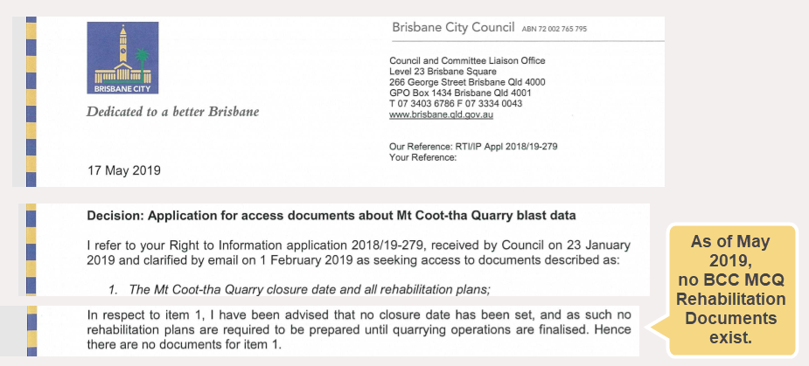
...

Estimates
...
2031
2032
2033
2034
2035
...
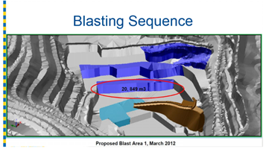
Volume m3 | Blasts |  | Total 2012 blast count |  | 25
20,849 | 2 |  | Blast areas 1-8 count |  | 9
11,861 | 1 |  | Blast areas 1-8 total volume |  | 142,157
23,552 | 1 |  | Blast areas 1-8 avg volume |  | 17,770
14,594 | 1 |  | Estimated 2012 design volume |  | 394,881
12,773 | 1 |  | In-ground Density |  | 3.13
24,341 | 1 |  | Extrapolated 2012 tonnes |  | 1,235,976
11,000 | 1 |  | Extrapolated 2012 Rock Tonnes |  | 1,112,379
23,187 | 1 |  | 2012 Estimates (above) |  | 933,042
...
19
912
4,560
 | Tonnes | Cubic metres
 | 12,651,313 | 6,474,562
 | 665,859 | 340,766
 | 13,872 | 7,099
 | 2,774 | 1,420
 |  |  | 555 | (To From)
 |  |  | 2,530,263 | (To From) |  | 3 million truck movements since c2001

Damage
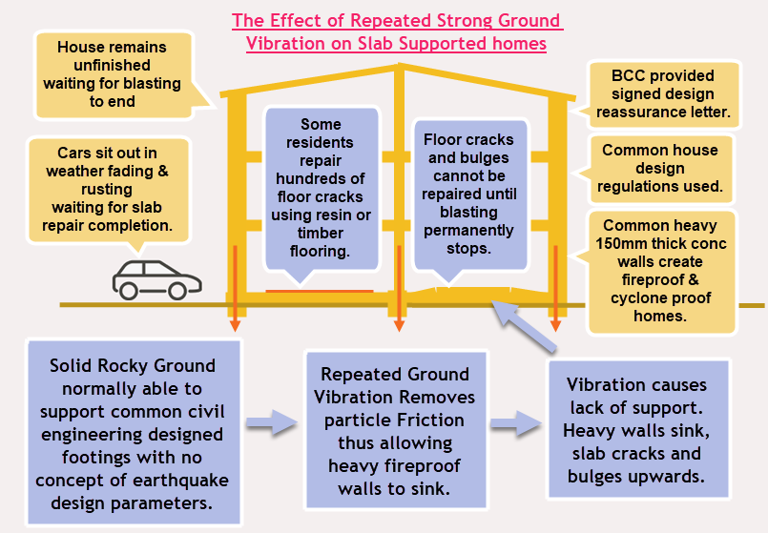
For images of blast vibration damage see:
http://www.SaveMtCoot-tha.org/ImagesDamage.htm

DOGIT
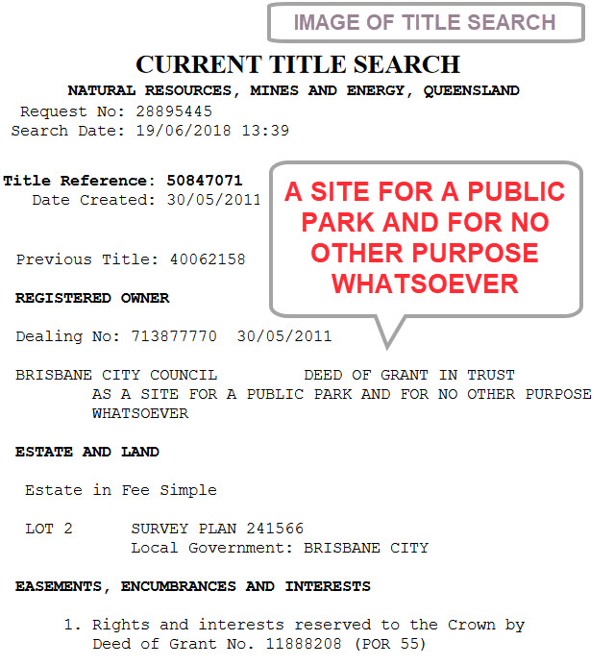

Cordell2017
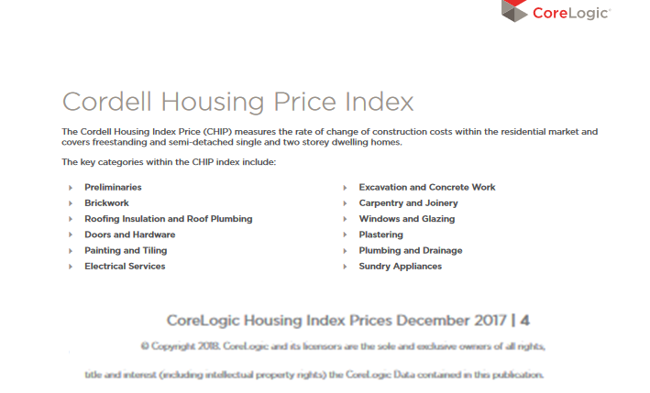
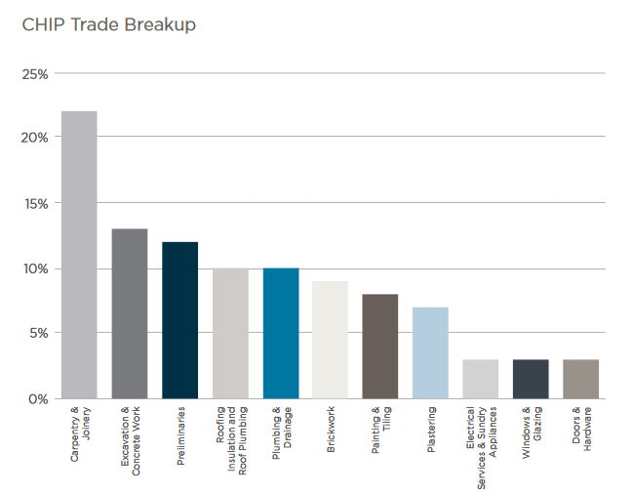

Clearly the annual cost and value modifications would have been much higher if the CHIP was used instead of the overall CPI

